Sheet1
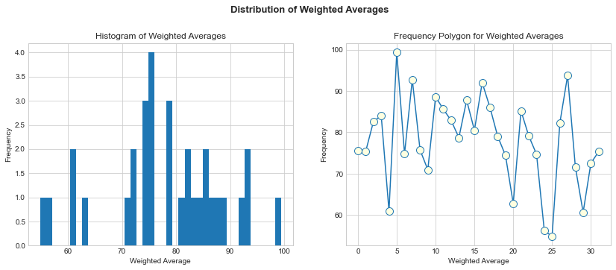
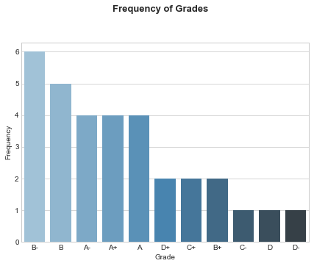
Name | Quiz #1 | Quiz #2 | Quiz #3 | Midterm | Quiz #4 | Quiz #5 | Quiz #6 | Quiz #7 | Quiz #8 | Project | Final | Quiz Avg | Wtd. Avg | Curved Avg | Rounded Avg | Grade | Grade | Frequency
Student 6 | 97 | 96 | 99 | 100 | 100 | 100 | 100 | 100 | 100 | 99 | 100 | 99 | 99.4 | 106.37 | 106 | A+ | B- | 6
Student 28 | 94 | 92 | 88 | 90 | 36 | 100 | 96 | 100 | 96 | 98 | 100 | 87.75 | 93.72 | 100.69 | 101 | A+ | B | 5
Student 8 | 100 | 100 | 85 | 85 | 60 | 92 | 100 | 100 | 82 | 96 | 100 | 89.88 | 92.76 | 99.73 | 100 | A+ | A- | 4
Student 17 | 88 | 88 | 95 | 94 | 40 | 100 | 100 | 100 | 64 | 93 | 100 | 84.38 | 92.01 | 98.98 | 99 | A+ | A+ | 4
Student 11 | 100 | 92 | 99 | 80 | 48 | 100 | 100 | 100 | 75 | 90 | 94 | 89.25 | 88.58 | 95.55 | 96 | A | A | 4
Student 15 | 100 | 84 | 98 | 75 | 100 | 84 | 100 | 96 | 57 | 94 | 88 | 89.88 | 87.76 | 94.73 | 95 | A | D+ | 2
Student 18 | 88 | 76 | 88 | 74 | 64 | 100 | 100 | 100 | 100 | 94 | 81 | 89.5 | 86.05 | 93.02 | 93 | A | C+ | 2
Student 12 | 88 | 84 | 87 | 70 | 92 | 100 | 100 | 100 | 50 | 91 | 90 | 87.62 | 85.59 | 92.56 | 93 | A | B+ | 2
Student 22 | 100 | 92 | 92 | 70 | 72 | 96 | 92 | 100 | 89 | 93 | 79 | 91.62 | 85.19 | 92.16 | 92 | A- | C- | 1
Student 4 | 79 | 84 | 92 | 70 | 44 | 92 | 100 | 100 | 61 | 96 | 84 | 81.5 | 84.05 | 91.02 | 91 | A- | D | 1
Student 13 | 88 | 76 | 90 | 71 | 48 | 100 | 96 | 100 | 100 | 87 | 82 | 87.25 | 82.88 | 89.85 | 90 | A- | D- | 1
Student 3 | 82 | 84 | 94 | 70 | 100 | 100 | 100 | 96 | 54 | 90 | 75 | 88.75 | 82.62 | 89.59 | 90 | A-
Student 27 | 97 | 88 | 100 | 67 |  | 100 | 100 | 76 | 75 | 88 | 76 | 90.86 | 82.26 | 89.23 | 89 | B+
Student 16 | 100 | 84 | 88 | 66 | 12 | 84 | 96 | 100 | 79 | 88 | 84 | 80.38 | 80.51 | 87.48 | 87 | B+
Student 23 | 91 | 88 | 90 | 62 | 48 | 84 | 80 | 100 | 89 | 94 | 67 | 83.75 | 79.12 | 86.09 | 86 | B
Student 19 | 100 | 92 | 92 | 60 | 64 | 84 | 88 | 100 | 39 | 89 | 78 | 82.38 | 79.01 | 85.98 | 86 | B
Student 14 | 100 | 76 | 88 | 60 | 72 | 96 | 100 | 100 | 46 | 91 | 70 | 84.75 | 78.72 | 85.69 | 86 | B
Student 9 | 82 | 72 | 86 | 55 | 52 | 100 | 76 | 92 | 100 | 84 | 74 | 82.5 | 75.75 | 82.72 | 83 | B
Student 1 | 70 | 76 | 91 | 66 | 36 | 92 | 64 | 100 | 46 | 87 | 74 | 71.88 | 75.66 | 82.63 | 83 | B
Student 2 | 100 | 80 | 80 | 64 |  | 100 | 60 | 48 |  | 84 | 70 | 78 | 75.4 | 82.37 | 82 | B-
Student 32 | 43 | 96 | 80 | 56 | 16 | 88 | 100 | 92 | 54 | 92 | 76 | 71.12 | 75.34 | 82.31 | 82 | B-
Student 7 | 76 | 96 | 90 | 63 | 28 | 48 | 36 | 96 | 68 | 92 | 72 | 67.25 | 74.78 | 81.75 | 82 | B-
Student 24 | 88 | 80 | 60 | 66 |  | 88 | 76 |  | 14 | 86 | 77 | 67.67 | 74.7 | 81.67 | 82 | B-
Student 20 | 100 | 88 | 88 | 58 |  | 84 |  | 28 |  | 88.548387097 | 65 | 77.6 | 74.44 | 81.41 | 81 | B-
Student 31 | 85 | 80 | 80 | 57 | 8 | 72 | 72 | 100 | 54 | 91 | 66 | 68.88 | 72.56 | 79.53 | 80 | B-
Student 29 | 91 | 84 | 82 | 53 | 32 | 100 | 100 | 80 | 71 | 86 | 56 | 80 | 71.6 | 78.57 | 79 | C+
Student 10 | 91 | 92 | 92 | 60 | 36 | 64 | 100 | 100 | 75 | 72 | 65 | 81.25 | 70.97 | 77.94 | 78 | C+
Student 21 | 91 | 92 | 81 | 45 | 8 | 88 | 64 |  | 61 | 78 | 48 | 69.29 | 62.79 | 69.76 | 70 | C-
Student 5 | 76 | 76 | 79 | 36 |  | 52 |  | 32 | 21 | 86 | 56 | 56 | 61 | 67.97 | 68 | D+
Student 30 | 85 | 64 | 62 | 33 |  | 84 | 72 | 48 |  | 89 | 33 | 69.17 | 60.65 | 67.62 | 68 | D+
Student 25 | 40 | 92 | 55 | 49 |  | 68 | 32 | 32 |  | 57 | 67 | 53.17 | 56.25 | 63.22 | 63 | D
Student 26 | 28 | 68 | 50 | 37 | 12 | 56 | 36 | 64 | 18 | 90 | 40 | 41.5 | 54.85 | 61.82 | 62 | D-
Average | 85.56 | 84.75 | 85.03 | 64.44 | 49.12 | 87.38 | 84.53 | 86 | 65.64 | 88.55 | 74.59 | 78.87 | 78.03 | 85 | 85.09

